Poes & Gossip Stones
Gossip Stones |  |  | 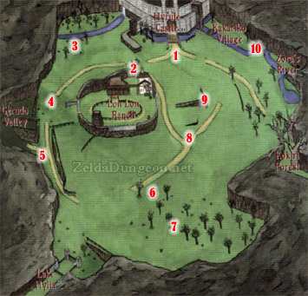 | 10 Big Poes

Location |  | What did they say? |  | 1 | 1 | Pass the sign out front Hyrule toward the Ranch
 |  |  |  | 1 | 2 | Pass between the Tree and the wall of Ranch toward Gerudo
Front of Temple of Time 1 | 0 |  |  | 1 | 3 | The spawn location is one of the little shrubs
Front of Temple of Time 2 | 0 |  |  | 1 | 4 | Face Hyrule Castle and pass the lone tree on the right side
Front of Temple of Time 3 | 0 |  |  | 0 | 5 | Start north of fork in road between the road and the wall, head south
Front of Temple of Time 4 | 0 |  |  | 1 | 6 | Patch of bushes trigger this poe
Hyrule Castle Vines | 0 |  |  | 1 | 7 | Pass north of the tree directly south of the lone regular boulder. (specifically on the right of it)
Hyrule Castle Walls | 0 |  |  | 0 | 8 | Start at top of the Y in the Fork, and pass the boulder
Close to Hyrule Castle??? | 0 |  |  | 1 | 9 | Start at the top of the V
Kokiri Forest Near Lost Woods | 0 |  |  | 1 | 10 | Start at the top of the overhang
Kokiri Forest Near Deku Tree NW | 0
Kokiri Forest Near Deku Tree NE | 0
Lost Woods Under Bridge | 0
Sacred Forest Meadow Front | 0
Sacred Forest Meadow Back | 0
Sacred Forest Meadow Near Forest Temple | 0
Graveyard Next to Warp | 0
Death Mountain Trail Near Peak | 0
Death Mountain Crater From Peak Entrance | 0
Dodongo's Cavern In Main Entrance Room | 0
Lake Hylia Near Waterfall | 0
Lake Hylia Southeast Corner | 0
Lake Hylia Southwest Corner | 0
Zora's Fountain Near Zora's Domain Entrance | 0
Zora's Fountain in front of Great Fairy | 0
Zora's Domain In Front of King | 0
Zora's River Near Entrance to Zora's Domain | 0
Zora's River at Highest Point | 0
Hyrule Field Geurdo Hole | 0
Hyrule Field Castle Hole | 0
Gerudo Valley near waterfall | 0
Colossus South side of Spirit Temple | 0
Goron City Rock Maze | 0
Goron City Medigoron's Shop | 0
Any vanilla Grotto | 0

